Normalaization
 |  | Normalaization

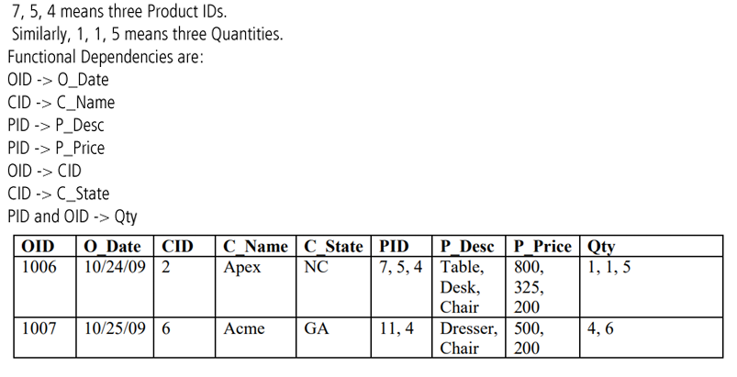
 | Functional Dependencies are: | Original Table
 | OID -> O_Date | OID | O_Date | CID | C_Name | C_State | PID | P_Desc | P_Price | Qty
 | CID -> C_Name | 1006 | 10/24/09 | 2 | Apex | NC | 7, 5, 4 | Table, Desk, Chair | 800, 325, 200 | 1, 1, 5
 | PID -> P_Desc | 1007 | 10/25/09 | 6 | Acme | GA | 11, 4 | Dresser, Chair | 500, 200 | 4, 6
 | PID -> P_Price
 | OID -> CID
 | CID -> C_State
 | (PID, OID) -> Qty

1NF
 |  | OID | O_Date | CID | C_Name | C_State | PID | P_Desc | P_Price | Oty
 |  | 1006 | 10/24/09 | 2 | Apex | NC | 7 | Table | 800 | 1
 | Candidate key: (OID, PID) | 1006 | 10/24/09 | 2 | Apex | NC | 5 | Desk | 325 | 1
 | (OID, PID) ->(OID, PID, O_Date, CID, C_Name, C_State, P_Desc, P_Price, Qty) | 1006 | 10/24/09 | 2 | Apex | NC | 4 | Chair | 200 | 5
 |  | 1007 | 10/25/09 | 6 | Acme | GA | 11 | Dresser | 500 | 4
 |  | 1007 | 10/25/09 | 6 | Acme | GA | 4 | Chair | 200 | 6

2NF
 | Partial Dependencys: | CustomerOrder
 | Proper subset of candidate key -> Non-Prime Attribute | OID | O_Date | CID | C_Name | C_State
 | OID -> CID, O_Date, C_Name, C_State Removed PD -> | 1006 | 10/24/09 | 2 | Apex | NC
 |  | 1007 | 10/25/09 | 6 | Acme | GA

 | PID -> P_Desc, P_Price Removed PD -> | Product_Info
 |  | PID | P_Desc | P_Price
 |  | 7 | Table | 800
 |  | 5 | Desk | 325
 |  | 4 | Chair | 200
 |  | 11 | Dresser | 500

 |  | Order_Product
 |  | PID | OID | Qty
 |  | 7 | 1006 | 1
 |  | 5 | 1006 | 1
 |  | 4 | 1006 | 5
 |  | 11 | 1007 | 4
 |  | 4 | 1007 | 6

3NF
 | Transition Dependency:
 | Non-prime Attribute -> Non-Prime Attribute
 |  | Customer_Info
 | CID -> C_Name | CID | C_Name | C_State
 | CID -> C_State Removed TD -> | 2 | Apex | NC
 |  | 6 | Acme | GA

 |  | Product_Info
 |  | PID | P_Desc | P_Price
 |  | 7 | Table | 800
 |  | 5 | Desk | 325
 |  | 4 | Chair | 200
 |  | 11 | Dresser | 500

 |  | Order_Info
 |  | OID | O_Date | CID*
 |  | 1006 | 10/24/09 | 2
 |  | 1007 | 10/25/09 | 6

 |  | Order_Product
 |  | PID* | OID* | Qty
 |  | 7 | 1006 | 1
 |  | 5 | 1006 | 1
 |  | 4 | 1006 | 5
 |  | 11 | 1007 | 4
 |  | 4 | 1007 | 6

 | Final Tables:
 | Customer_Info (CID, C_Name, C_State)
 | Product_Info (PID, P_Desc, P_Price)
 | Order_Info (OID, O_Date, CID*)
 | Order-Product (OID*, PID*, Qty)

